Sheet1
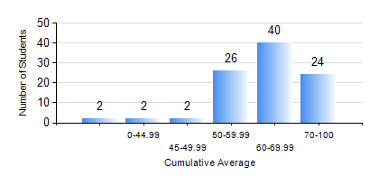
 |  |  | KWAME NKRUMAH UNIVERSITY OF SCIENCE AND TECHNOLOGY, KUMASI Department of Telecommunication Engineering

 |  |  | BSC. TELECOMMUNICATION ENG.

 |  |  | COMPREHENSIVE RECORD OF EXAMINATION RESULTS

 |  |  | RESULTS OF YEAR 3 SECOND SEMESTER, 2021/2022 ACADEMIC YEAR

 | Sn | Course Code |  | Course Name | Credit Hours | Min. Mark | Max. Mark | Avg. Mark | Std. Dev. | No. Passed | No. Trailed | No. (Df) | No. (I) | No. (I*) | No. Tagged(I,I*,Df) | Total
 | 0. |  |  |  |  |  |  | 0 | 0 | 0 | 0 | 0 | 0 | 0 | 0 | 1
 | 1. | TE 292 |  | TELECOMMUNICATION LAB II | 2 | 80 | 80 | 80 | 0 | 1 | 0 | 0 | 0 | 0 | 0 | 1
 | 2. | TE 362 |  | TELECOMMUNICATION INFRASTRUCTURE | 2 | 16 | 92 | 63 | 16.15 | 90 | 5 | 0 | 0 | 0 | 0 | 95
 | 3. | TE 364 |  | COMMUNICATION CIRCUITS | 2 | 30 | 82 | 62 | 9.41 | 93 | 2 | 0 | 0 | 0 | 0 | 95
 | 4. | TE 372 |  | ANTENNAS AND PROPAGATION | 3 | 40 | 98 | 74 | 11.36 | 95 | 0 | 0 | 0 | 0 | 0 | 95
 | 5. | TE 382 |  | DATA COMMUNICATION NETWORKS | 3 | 1 | 87 | 61 | 16.38 | 90 | 5 | 0 | 0 | 0 | 0 | 95
 | 6. | TE 384 |  | SWITCHING ENGINEERING IN COMMUNICATION | 3 | 27 | 93 | 62 | 14.53 | 90 | 5 | 0 | 0 | 0 | 0 | 95
 | 7. | TE 386 |  | DIGITAL COMMUNICATION SYSTEMS | 3 | 17 | 88 | 62 | 13.4 | 90 | 5 | 0 | 0 | 0 | 0 | 95
 | 8. | TE 392 |  | TELECOMMUNICATION LAB IV | 2 | 62 | 98 | 86 | 6.12 | 94 | 0 | 1 | 0 | 0 | 1 | 95

